EDF 1
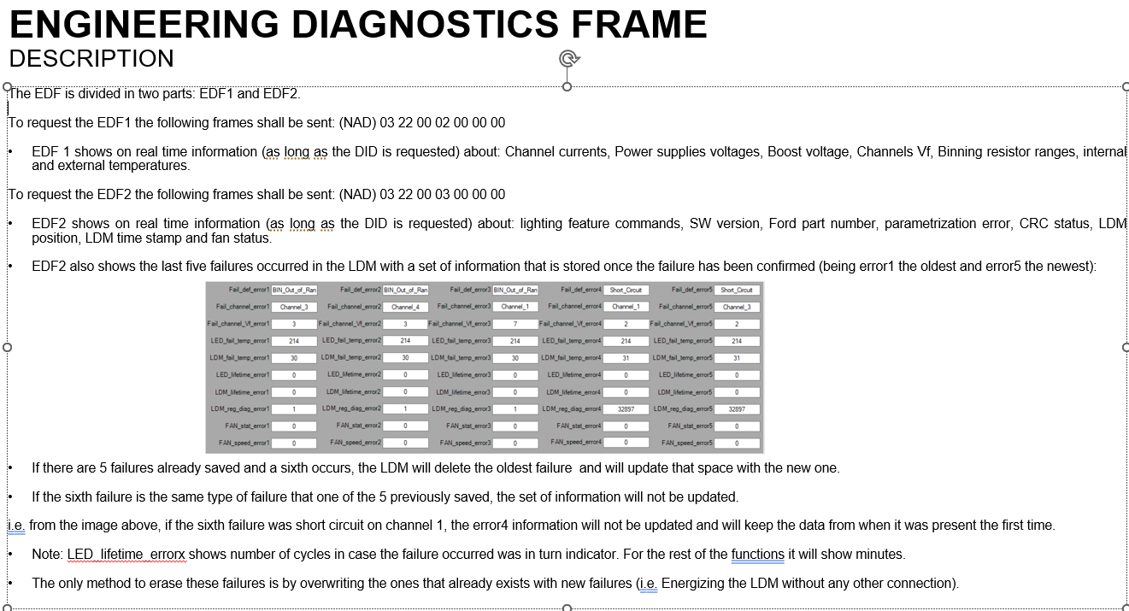
EDF Version |  |  | 1.0

Frame 1
Bit 7 | Bit 6 | Bit 5 | Bit 4 | Bit 3 | Bit 2 | Bit 1 | Bit 0 | Byte
NAD 0x66 or 0x64 |  |  |  |  |  |  |  | 0
PCI 0x10 |  |  |  |  |  |  |  | 1
LEN 0x1D |  |  |  |  |  |  |  | 2
SID 0x62 |  |  |  |  |  |  |  | 3
DID 0x00 |  |  |  |  |  |  |  | 4
DID 0x02 |  |  |  |  |  |  |  | 5
 |  | CH1_output_current |  |  |  |  |  | 6 | 1
 |  | CH2_output_current |  |  |  |  |  | 7 | 2

Frame 2
Bit 7 | Bit 6 | Bit 5 | Bit 4 | Bit 3 | Bit 2 | Bit 1 | Bit 0 | Byte
NAD 0x66 or 0x64 |  |  |  |  |  |  |  | 0
PCI 0x21 |  |  |  |  |  |  |  | 1
 |  | CH3_output_current |  |  |  |  |  | 2 | 3
 |  | CH4_output_current |  |  |  |  |  | 3 | 4
CH1_input_Vf |  |  |  |  |  |  |  | 4 | 5
CH2_input_Vf |  |  |  |  |  |  |  | 5 | 6
CH3_input_Vf |  |  |  |  |  |  |  | 6 | 7
Boost_Vf |  |  |  |  |  |  |  | 7 | 8

Frame 3
Bit 7 | Bit 6 | Bit 5 | Bit 4 | Bit 3 | Bit 2 | Bit 1 | Bit 0 | Byte
NAD 0x66 or 0x64 |  |  |  |  |  |  |  | 0
PCI 0x22 |  |  |  |  |  |  |  | 1
 |  |  |  |  |  |  |  | 2 | 9
 |  |  |  |  |  |  |  | 3 | 10
 |  |  |  |  |  |  |  | 4 | 11
CH4_input_Vf |  |  |  |  |  |  |  | 5 | 12
HSD1_String_Vf |  |  |  |  |  |  |  | 6 | 13
HSD2_String_Vf |  |  |  |  |  |  |  | 7 | 14

Frame 4
Bit 7 | Bit 6 | Bit 5 | Bit 4 | Bit 3 | Bit 2 | Bit 1 | Bit 0 | Byte
NAD 0x66 or 0x64 |  |  |  |  |  |  |  | 0
PCI 0x23 |  |  |  |  |  |  |  | 1
HSD3_String_Vf |  |  |  |  |  |  |  | 2 | 15
HSD4_String_Vf |  |  |  |  |  |  |  | 3 | 16
LSD1_String_Vf |  |  |  |  |  |  |  | 4 | 17
LSD2_String_Vf |  |  |  |  |  |  |  | 5 | 18
Channel2_bin_res_value |  |  |  | Channel1_bin_res_value |  |  |  | 6 | 19
Channel4_bin_res_value |  |  |  | Channel3_bin_res_value |  |  |  | 7 | 20

Frame 5
Bit 7 | Bit 6 | Bit 5 | Bit 4 | Bit 3 | Bit 2 | Bit 1 | Bit 0 | Byte
NAD 0x66 or 0x64 |  |  |  |  |  |  |  | 0
PCI 0x24 |  |  |  |  |  |  |  | 1
 |  |  |  |  |  |  |  | 2 | 21
NTC1_temp |  |  |  |  |  |  |  | 3 | 22
NTC2_temp |  |  |  |  |  |  |  | 4 | 23
NTC3_temp |  |  |  |  |  |  |  | 5 | 24
NTC4_temp |  |  |  |  |  |  |  | 6 | 25
LDM_temp |  |  |  |  |  |  |  | 7 | 26

